Foglio1
 |  |  |  | TOT | 8892
 | ART | COL | SIZE cm | COMP | PCS
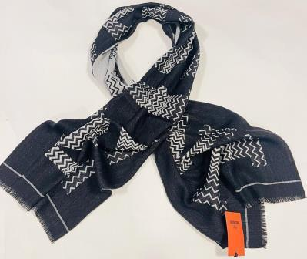 | SC36WOD 9913 | 001 BACK/WHITE | 40x180 | 100%WV | 38

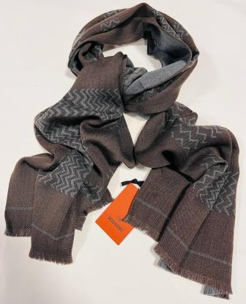 | SC36WOD 9913 | 003 MORO | 40x180 | 100%WV | 810

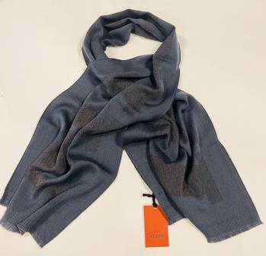 | SC36WOD 9913 | 004 GREY | 40x180 | 100%WV | 115
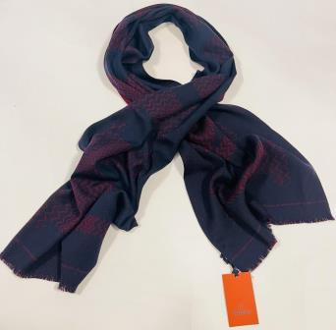 | SC36WOD 9913 | 004 BLU | 40x180 | 100%WV | 105

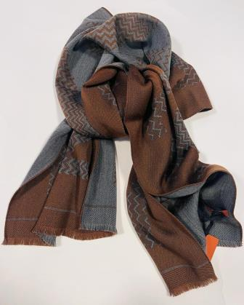 | SC36WOD 9913 | 005 | 40x180 | 100%WV | 78

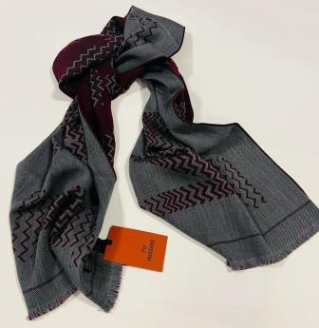 | SC36WOD 9913 | 006 BORDEAUX | 40x180 | 100%WV | 42

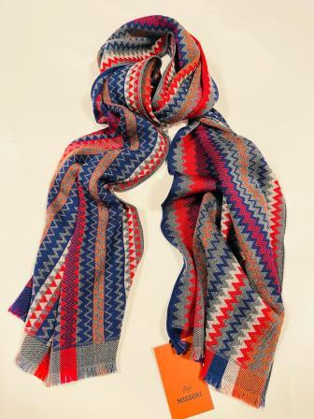 | SC36WOD 9919 | 001 | 40x180 | 100%WV | 440
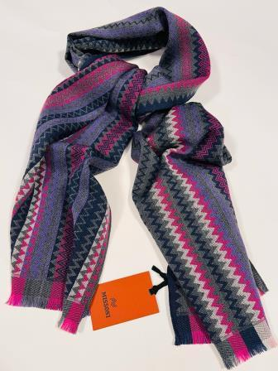 | SC36WOD 9919 | 002 | 40x180 | 100%WV | 53
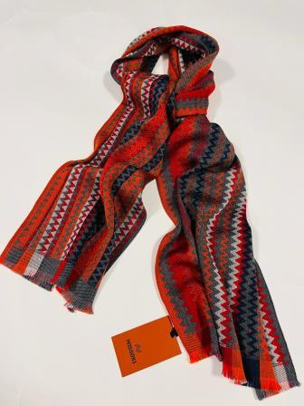 | SC36WOD 9919 | 003 | 40x180 | 100%WV | 210

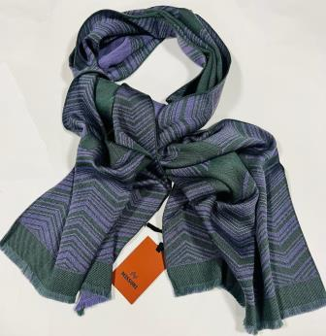 | SC36WOD 9915 | 001 | 40x180 | 100%WO | 190
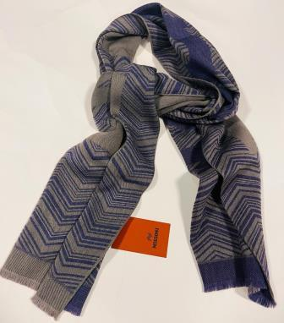 | SC36WOD 9915 | 002 GRIGIO | 40x180 | 100%WO | 128
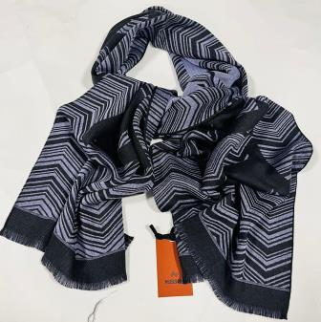 | SC36WOD 9915 | 002 BLACK | 40x180 | 100%WO | 360

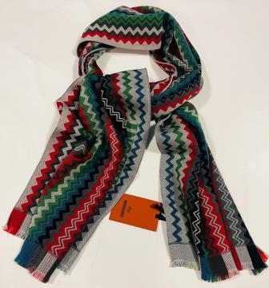 | SC36WOD 9918 | 002 | 40x180 | 100%WO | 80
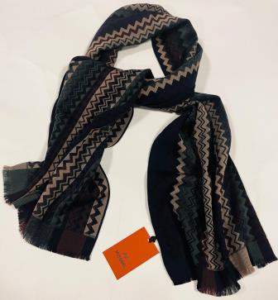 | SC36WOD 9918 | 004 | 40x180 | 100%WO | 125
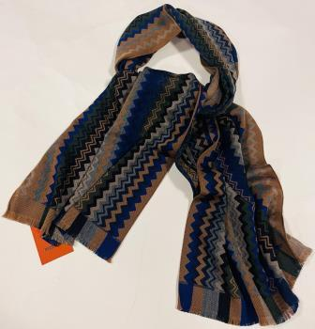 | SC36WOD 9918 | 005 | 40x180 | 100%WO | 125

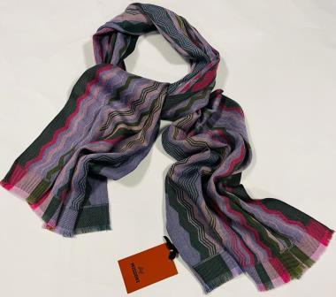 | SC36WOD 9921 | 001 | 40x180 | 100%WO | 117
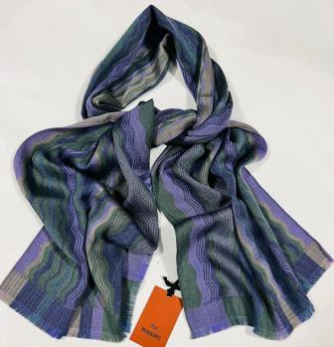 | SC36WOD 9921 | 001 VIOLA | 40x180 | 100%WO | 200
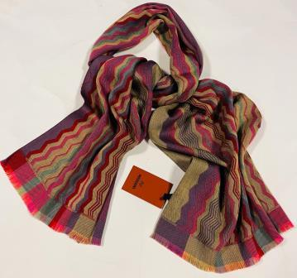 | SC36WOD 9921 | 002 | 40x180 | 100%WO | 130
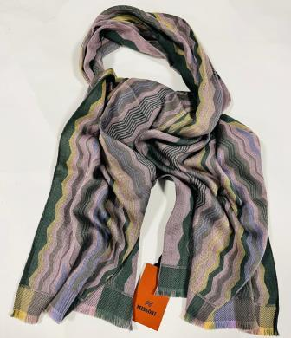 | SC36WOD 9921 | 003 | 40x180 | 100%WO | 250

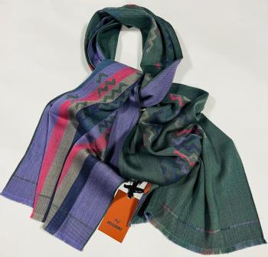 | SC36WOD 9922 | 001 GREEN | 40x180 | 100%WO | 100
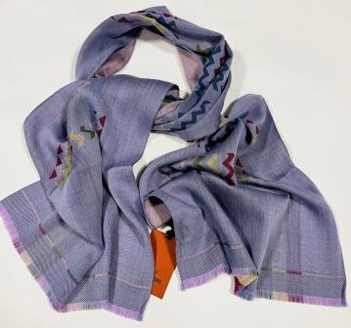 | SC36WOD 9922 | 001 LILLA | 40x180 | 100%WO | 345
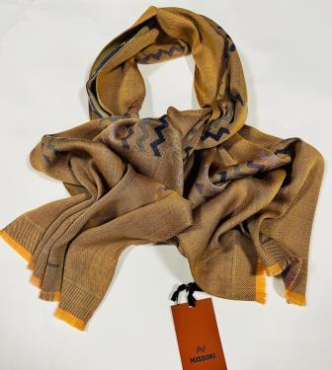 | SC36WOD 9922 | 002 | 40x180 | 100%WO | 390
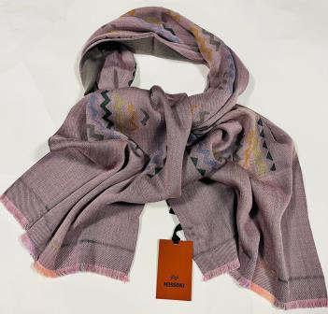 | SC36WOD 9922 | 003 | 40x180 | 100%WO | 98

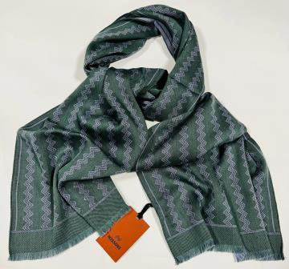 | SC36WOD 9924 | 001 | 40x180 | 100%WO | 260
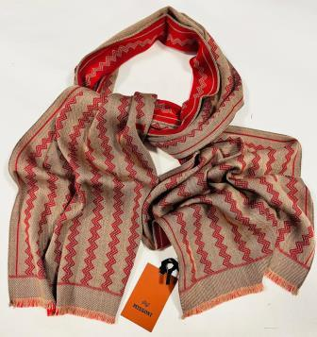 | SC36WOD 9924 | 002 ROSSO | 40x180 | 100%WO | 180
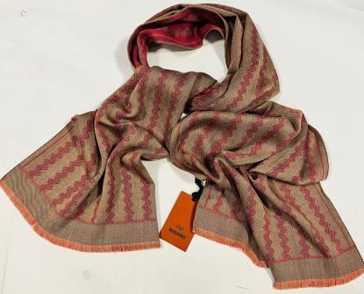 | SC36WOD 9924 | 002 ROSA | 40x180 | 100%WO | 170
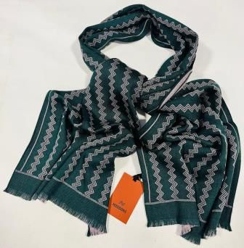 | SC36WOD 9924 | 002 GREEN | 40x180 | 100%WO | 180
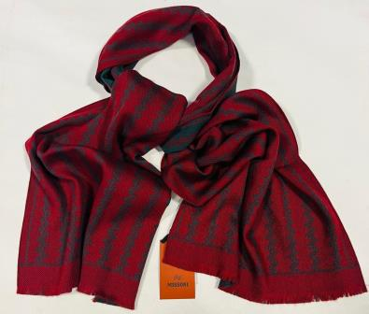 | SC36WOD 9924 | 002 BORDEAUX | 40x180 | 100%WO | 136
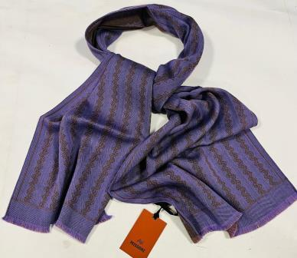 | SC36WOD 9924 | 002 VIOLA | 40x180 | 100%WO | 100
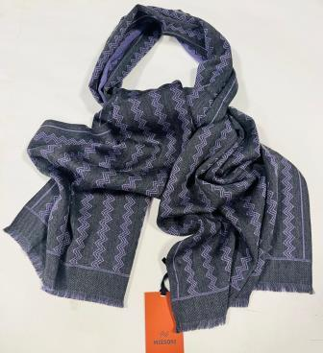 | SC36WOD 9924 | 002 LILLA | 40x180 | 100%WO | 67
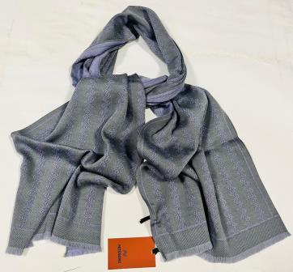 | SC36WOD 9924 | 002 GREY | 40x180 | 100%WO | 37
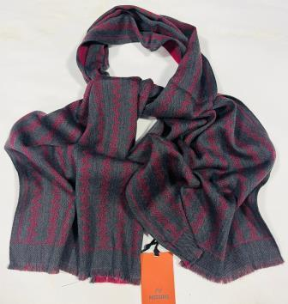 | SC36WOD 9924 | 002 BLUE | 40x180 | 100%WO | 307
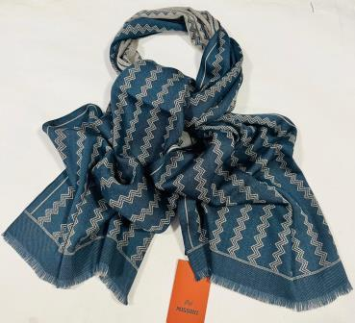 | SC36WOD 9924 | 003 BLUE | 40x180 | 100%WO | 28
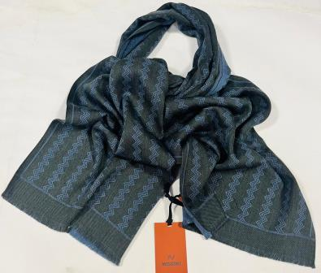 | SC36WOD 9924 | 003 BLUE | 40x180 | 100%WO | 44
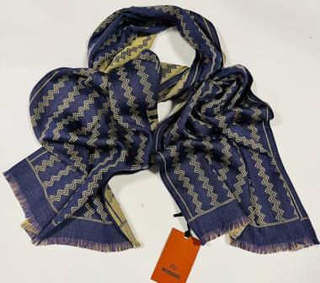 | SC36WOD 9924 | 003 | 40x180 | 100%WO | 100
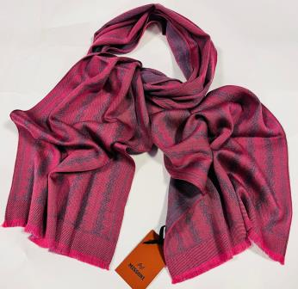 | SC36WOD 9924 | 003 ROSA | 40x180 | 100%WO | 100
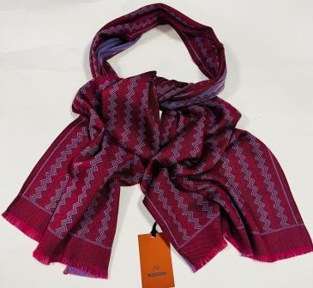 | SC36WOD 9924 | 003 BORDEAUX | 40x180 | 100%WO | 26
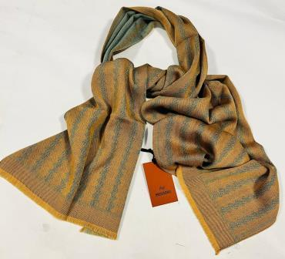 | SC36WOD 9924 | 003 LT GREEN | 40x180 | 100%WO | 550
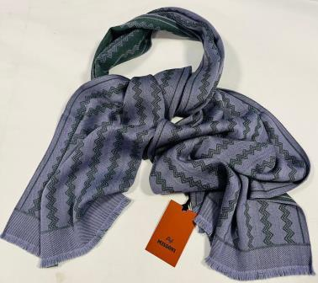 | SC36WOD 9924 | 003 GREEN | 40x180 | 100%WO | 250
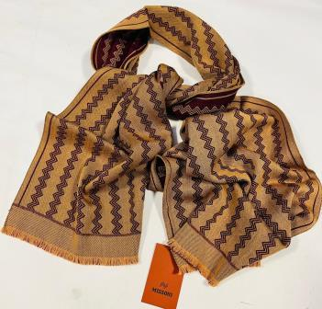 | SC36WOD 9924 | 003 BEIGE | 40x180 | 100%WO | 100
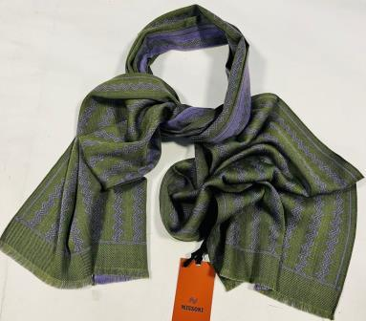 | SC36WOD 9924 | 003 VIOLA | 40x180 | 100%WO | 270
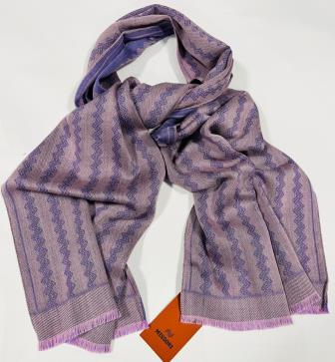 | SC36WOD 9924 | 004 | 40x180 | 100%WO | 350
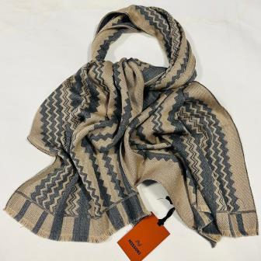 | SC36WOD9916 | 0001 BEIGE | 40x180 | 100%WO | 86
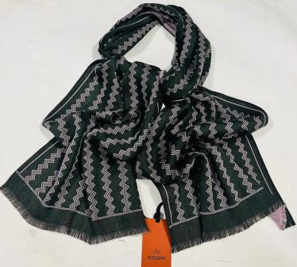 | SC36WOD9916 | 0001 LILLA | 40x180 | 100%WO | 35
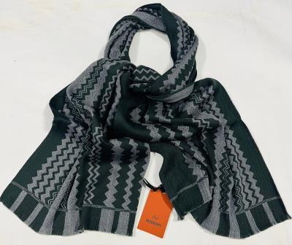 | SC36WOD9916 | 0001 VERDE SC | 40x180 | 100%WO | 56
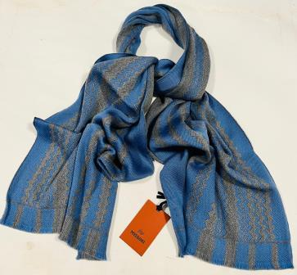 | SC36WOD9916 | 0001 CELESTE | 40x180 | 100%WO | 54
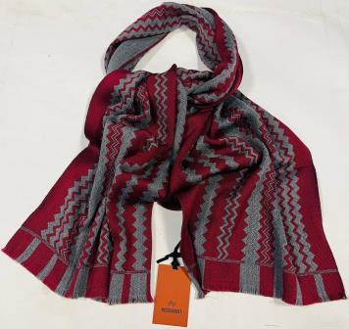 | SC36WOD9916 | 0001 BORDEAUX | 40x180 | 100%WO | 66
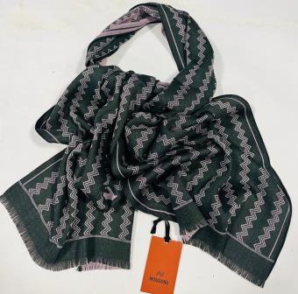 | SC36WOD9916 | 0002 LILLA | 40x180 | 100%WO | 40
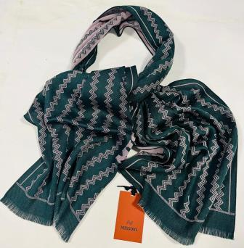 | SC36WOD9916 | 0002 VERDE | 40x180 | 100%WO | 20
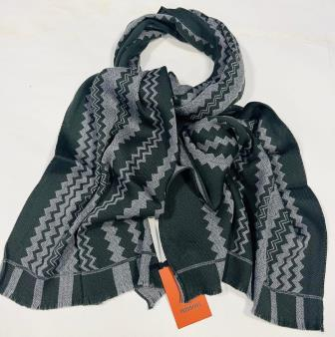 | SC36WOD9916 | 0002 VERDE SC | 40x180 | 100%WO | 11
 | SC36WOD9916 | 0002 ROSSO | 40x180 | 100%WO | 90
 | SC36WOD9916 | 0003 | 40x180 | 100%WO | 150
 | SC36WOD9917 | 0001 | 40x180 | 100%WO | 270
 | SC36WOD9917 | 0002 | 40x180 | 100%WO | 230

